Summary
CERS 3: PortPlus Offline Excel Voyage Form


This Excel workbook is for use in conjunction with the UK Maritime and Coastguard Agency's Consolidated European Reporting System (CERS) for the submission of voyage notifications relating to maritime vessel voyages visiting UK ports. This workbook is designed to be used offline and uploaded into CERS via either the web application interface or via SOAP web services (embedded into the XML message). IMPORTANT: Please read the full usage instructions at the bottom of this sheet before using this workbook and contact the CERS team using the contact details on the right for any queries.

Include sections |  |  | Source |  | Document Template Information

Vessel | Include | Empty | Vessel contact email |  | Document version | 1.3.0
Voyage | Include | Empty | Data provider name |  | Version date | 2021-07-02
Waste | Include | Empty | Last updated | 2022-03-21 14:30:31 | Patch Number | 1
Hazmat Incoming | Include | Empty | IMPORTANT: Pay attention to highlighted fields in yellow as these are mandatory and must be completed if submitting that section. |  | Template last edited by | IB Boost Ltd
Hazmat Outgoing | Include | Empty
Bunkers Incoming | Include | Empty |  |  | Project resources and news updates
Bunkers Outgoing | Include | Empty |  |  | http://mca-wordpress.ibboost.com
Security | Include | Empty
 |  |  |  |  | Contact MCA (24 hours)
Validation Override |  |  |  |  | cers@mcga.gov.uk

Override validations |  | Don't allow invalid sheet upload | Only allowed once 'Reason for allowing validation override' is complete |  | Contact MCA (Business hours)
Reason for allowing validation override |  |  |  |  | cers3@mcga.gov.uk

 |  |  |  |  | MCA website
 |  |  |  |  | https://www.gov.uk/government/organisations/maritime-and-coastguard-agency
Validation Rules
 |  |  |  |  | IB Boost website
* Sections marked as 'Invalid' will not be uploaded into CERS unless the 'Validation Override' is used * To override these validations write you must give a reason in the Reasons selection and set 'Override validations' to 'Allow invalid sheet upload' |  |  | * This must only be done when there is a valid reason for returning an invalid workbook. * The validation override still must be applied if the workbook is being submitted in a base64 encoded XML message. Otherwise the section will not be uploaded |  | https://www.ibboost.com

Note: Select 'Include' to include that section of the form when uploading to CERS via the Web UI. If this form is being uploaded as base64-encoded XML this section will be overridden by the "sections" attribute of the XML and will not affect what is uploaded; therefore it will be up to the PCAOS reporting authority to interpret this field and determine whether or not this should result in a change to the XML message for the voyage that is submitted.

USAGE

PURPOSE This Excel workbook forms part of a reporting framework, providing a bridge to minimise the effort required by PCAOS port authorities for reporting to CERS, eliminating duplication of data entry as far as is possible, and maximising flexibility in fulfilling these regulatory reporting needs. Please consult MSN 1899 for further information. AUGMENTATION TO EXISTING INTERFACES The usage of this workbook is not intended to replace either the CERS web application or the existing PCAOS technical interfaces into CERS, and it is always recommended that where possible the specific fields in the XML schema are produced and sent, or that the CERS web application, with its rich user interface and interactive feedback, is used to ensure good data quality and successful messages. However, MCA has recognised the voice of industry and the need to reduce impact on users and provides this mechanism to help those impacted by the various reporting regulations affecting maritime voyages in the UK. HOW TO COMPLETE THIS WORKBOOK This workbook is intended to be used to create new PortPlus reports for voyages to UK ports, fulfilling international vessel reporting requirements. Each worksheet in the Workbook can be considered a discrete, independent entity for a different required form. As such, it will be possible for only a subset of the worksheets in this workbook to be completed and submitted to CERS, whether by web application UI or technical SOAP web services. For use via the web application UI, users may complete only those sheets which are relevant, and change the "Includes" fields above to specify exactly which sheets are to be uploaded. Users must set these before upload as explicit acknowledgement they are submitting the respective forms. For use via the technical web services, these fields may or may not be used by the intermediate authority in the construction of the XML message sent to CERS. It is solely the contents of this message, and the definition of the attribut

FAQ and Help
F.A.Q. and Help

Index
Row 17 | Supported systems
Row 22 | #REF or #VALUE showing in the "Form Status" field
Row 26 | External References
Row 45 | External Named ranges
Row 70 | Broken References
Row 91 | Moved/Missing Sheets
Row 98 | How to complete the Hazmat table
Row 141 | Exemptions to Scheduled Services in CERS
Row 157 | Getting a reporting exemption

Supported spreadsheet application
This workbook requires the use of ActiveX and is only tested with Microsoft Office365 for Windows. Standalone versions such as Excel 2016, 2019 and 2021 should be compatible, whilst Excel 2013 is periodically tested. As of 2021 both Excel 2010 and 2007 are End of Life unsupported products so not tested by the MCA though are expected to continue to work. This Workbook is not tested on Excel for Mac or mobile devices or alternative applications like Libre Office or Open Office and may not function correctly when run on these applications.

#REF or #VALUE showing in the "Form Status" field
If cell references have been broken, or the workbook has been opened and saved in an unsupported spreadsheet application that is unable to calculate validations, then the "Form Status" will show either #REF or #VALUE in these cases a new spreadsheet must be used as the workbook has been irreparably damaged.

External References
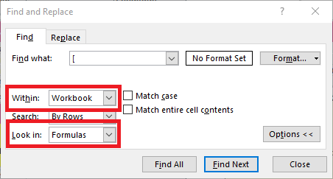
Formulas given in cells which point to an external source will result in the CERS Workbook being rejected. These external references can be found by searching Excel for an opening square bracket ( [ ), with the “Within” value set to “Workbook” and the “Look in” set to “Formulas” - as can be seen in the images to the right. These cells will show the value as taken from the external source. However, when selected, the formula will show in the formula bar (see below). This formula can be deleted and replaced with a valid value to upload the workbook.

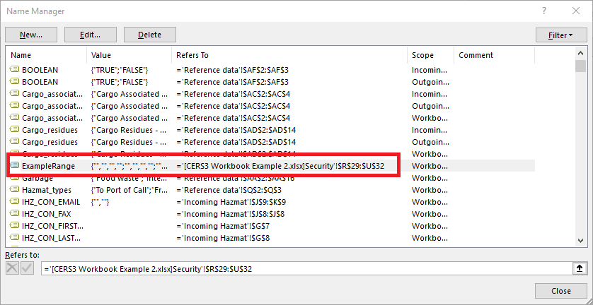
External named ranges

External named ranges will cause the CERS Workbook being rejected. These might have been added to your workbook if you have added new sheets to your workbook or have copied and pasted data. To check for these, go to an unprotected Excel sheet, like the "Notes" sheet and open the name manager (under “Formulas” in Excel 2016 and can also be opened by pressing Ctrl +F3). Look at the “Refers To” column, if this points to an external document the reference will need to be deleted before the workbook can be uploaded. External references can be spotted as they have the name of the file they are pointing to in square brackets (e.g. “[file name.xlsx]”). To remove these references, select them, and then click delete. References can’t be deleted on Protected sheets, so try doing that on the notes page

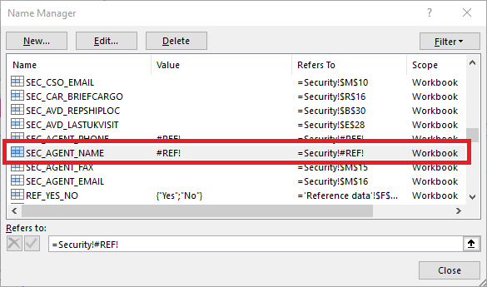
Broken named ranges

Named ranges that are broken will result in the workbook being rejected. Broken named ranges can be caused in a number of ways. • Copying/cutting and pasting cells over each other • Moving/deleting workbook sheets • Adding custom named ranges that are located in external sources You can find these in Excel's name manager. This is on the ribbon bar under “Formulas” on in Excel 2016 and can also be opened by pressing Ctrl +F3. These will show up with #REF in the "Value" field.

Moved/Missing Sheets

Moving Excel sheets between CERS Workbooks creates a large number of external Named Ranges. Sheets can be moved into a CERS workbook from other workbooks. Only if those workbooks do not contain Named Ranges and the moved sheet contains no formula that will be pointing to an external source after having moved.

How to complete the Hazmat table

Usage Guide
Every Hazmat consignment should be given a unique “Consignment reference number”. Only the first row of the consignment section for each consignment needs to be completed. If the Consignment has more than one DPG item, then the consignment’s unique consignment reference number should be given on the line below and the additional DPG item information should be given on these subsequent lines. Every DPG item in the Consignment should get a unique “DPG item reference number”. If a DPG item in a consignment is stored in two locations (TEU or Non-TEU), then the DPG information should be given on the first row, and the reference number used on subsequent rows, with the TEU information filled out over the following rows. If an Item does not have a "consignment reference number" it will not be uploaded and the row will have the status "Skip".

Therefore, if the real data looked liked the following:

Consignment 1 |  |  | DPG Item 1 |  | Transport unit 1
 |  |  |  |  | Transport unit 2

Consignment 2 |  |  | DPG Item 1 |  | Transport unit 3
 |  |  | DPG Item 2
 |  |  | DPG Item 3 |  | Transport unit 4

Then the same data would be stored in the workbook as the following:

Consignment 1 |  | Consignment 1 - DPG Item 1 |  | Transport unit 1
Consignment 1 |  | Consignment 1 - DPG Item 1 |  | Transport unit 2
Consignment 2 |  | Consignment 2 - DPG Item 1 |  | Transport unit 3
Consignment 2 |  | Consignment 2 - DPG Item 2 |  | Blank
Consignment 2 |  | Consignment 2 - DPG Item 3 |  | Transport unit 4

An example of data like this can be seen in the following image

Exemptions to Scheduled Services in CERS

If a vessel is operating a scheduled service as defined in the Merchant Shipping (Vessel Traffic Monitoring and Reporting Requirements) Regulations 2004 (as amended) you can apply for a CERS exemption.

If you require an exemption from reporting hazardous materials or pre-arrival information please follow the link below. Please complete the Appendix and send to cers3@mcga.gov.uk.
https://www.gov.uk/government/publications/mgn-438-cers-exemption-arrangements-under-the-vtm-reporting-regulations-2004

If you require exemption from waste reporting please follow the link below. Please complete Annex B and send to environment@mcga.gov.uk.
https://assets.publishing.service.gov.uk/government/uploads/system/uploads/attachment_data/file/608427/MGN_563_rev_1.pdf

If you require exemption from security reporting please contact DfT security at:
MARITIMESECURITY@dft.gov.uk

We advise that you read the relevant M Notices thoroughly before completing the application forms.

Finding GISIS Port Facility numbers

To find the GISIS port facility number, go to the GISIS website:
https://gisis.imo.org/Public/Default.aspx

Then select the option for "Maritime Security", if you do don't have an account, you may need to create one.

From here, select a country to access a list of ports, select a port to see the GISIS Port Facility Numbers.

